Sheet1
Description | Pin Number | Remarks | Type
Acclerometer | PA3 | one axis output only | AnalogIn
Accleromerer temp | PF4 |  | AnalogIn
LCD: |  | NOT I2C
RS | PD11 |  | DigitalOut
RW | PD12 |  | DigitalOut
EN | PD13 |  | DigitalOut
D7:D4 | PD7:PD4 | 4-bit mode | DigitalOut
Backlight | PG0* |  | DigitalOut
Buttons: |  | to set date/time
button_A | PF2* | up | DigitalIn
button_B | PF1* | down | DigitalIn
button_C | PF0* | confirm | DigitalIn
SD Card: |  | needs SD card reader
MOSI | PB5 |  | SPI1
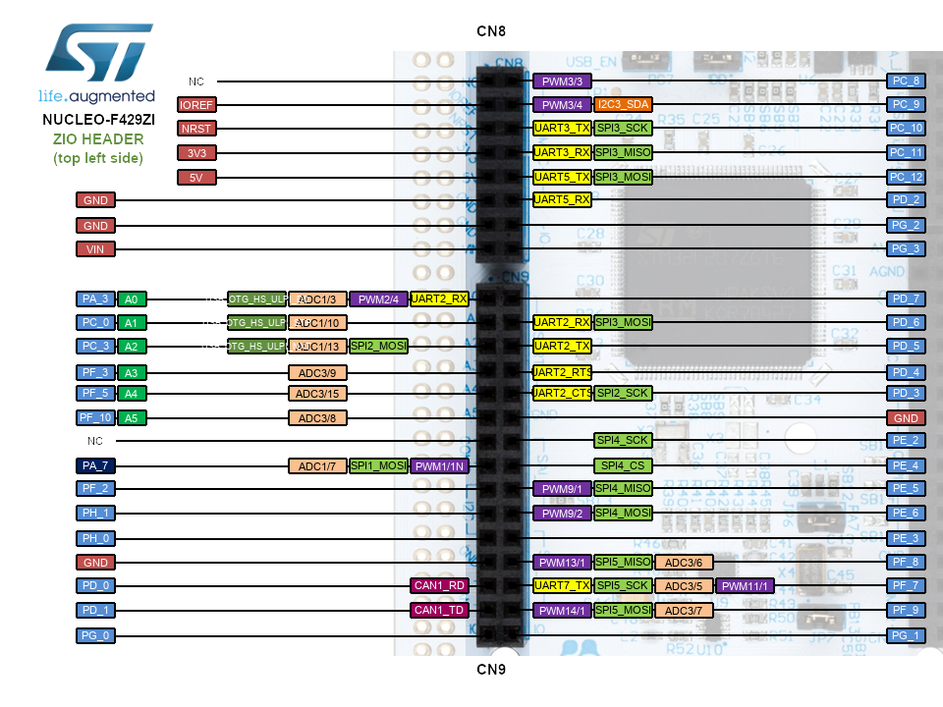
MISO | PB4 |  | SPI1
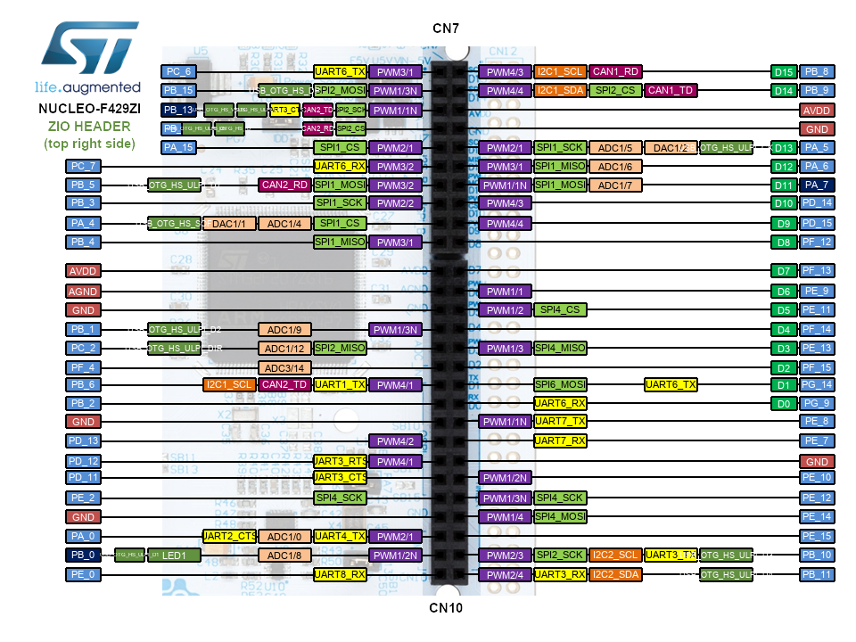
SCLK | PB3 |  | SPI1
CS | PA4* |  | SPI1
DETECT | PB2* |  | DigitalIn
SPI to PI:
MOSI | PE14 |  | SPI4
MISO | PE13 |  | SPI4
SCLK | PE12 |  | SPI4
CS | PE11 |  | SPI4
Thermocouples:
addr[3:0] | PD1:PD0:PG3:PG2 | 4-bit address | DigitalOut
Thermo_out | PF5 |  | AnalogIn
Maintenance LED | PE3 |  | DigitalOut
Charge Monitor | PF3 |  | AnalogIn
Light Level Monitor | PF10 |  | AnalogIn
micF 240: micF 6k: micR | PC0:PF7:PC3 | 3 microphones | AnalogIn
Interrupts:
Low Battery Warning | PD14 |  | InterruptIn
Light wake/sleep | PD15 |  | InterruptIn
mic_int240:mic_int6k | PA6:Pf12 | one interrupt/microphone | InterruptIn
Acc_int | PA5:PA6 | acclerometer interrupt | InterruptIn
Maintenance_int | PF13 |  | InterruptIn

N.B: a * next to the pin name indicates a change from the original code

